Reclass Exp Instructions
Instructions for Filling in the Reclassify Expenditure form |  |  |  |  |  |  |  |  |  | BANNER--FGITRND
 |  |  |  |  |  |  |  |  | Revised: 03/28/2022
If you will need more than 8 lines to complete your journal voucher, please use the FUPLOAD template.

If you want to reclassify payroll expenditures, please contact Ebony Miles, Payroll, 4-5022 or via email at enmiles@uncg.edu.

If you will be debiting a Contract & Grant Fund (200000-229999), please send request to Contracts and Grants Staff.

If you will be debiting a fund that begins with 23xxxx through 27xxxx, these Statements of Establishments will be reviewed for allowability as they are restricted funds.

1 | Locate the original transaction on BANNER FGITRND, UNCGenie, or e-print (FYRWFMTD)----see examples |  |  |  |  |  |  |  | UNCGenie

2 | Check to make sure funds are available before requesting the reclassification.
 |  | Use FGIBAVL on BANNER or look on UNCGenie
 |  |  |  |  |  |  |  |  |  | Genie:
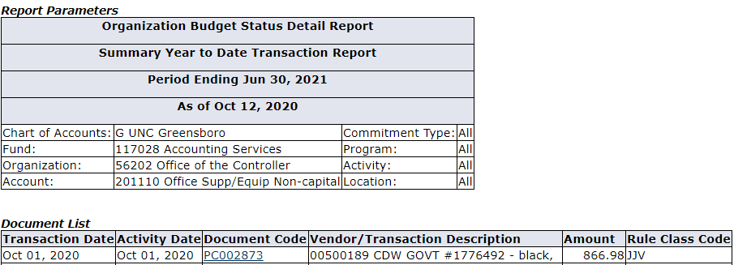
3 | Credit the fund and account that were charged on the original transaction.
 | The ACTV code field is for special use only: If the reclass is related to the Coronavirus (COVID-19) pandemic, enter "CORONA" in the ACTV column. Otherwise, leave blank.
 | Enter the $ amount to be reclassified. (cannot be more than the original amount, but can be less than the original amount - a partial reclass)
 | If less than, use Prtl Rcls in the description. If a transaction has not posted to BANNER, we cannot reclassify it.

4 | Enter the description from the original transaction and the Document Ref (from BANNER FGITRND, UNCGenie, or FYRWFMTD e-print). See example below.
 | Seq 1 and 2: Rcls PC002873-00500189 CDWG (acct) NOTE: You'll see the Pcard# listed first in Genie and Banner (see screen snips to the right)
 | followed by the TXN # (though the "TXN" is not included).
 | The word (acct) in parentheses indicates a correction within a fund (i.e., from one account to another account within the same fund).
 | Seq 3 and 4: Rcls I0619842 117028 OfcInfTchSvcs (seq 3) and Rcls I0619842 117091 OfcInfTchSvcs (seq 4)
 | Fund 117091 in the description for seq 3 indicates the fund which you are asking to now be debited for the original expense.
 | Fund 117028 in the description for seq 4 indicates the fund to which the item was originally charged and is now being credited.
 | Banner Document References may be journal vouchers (such as DL000376, J0018178, PC000216) or invoices (such as I0071703 or IJ003245).
 | Note - The number of characters Banner allows when entering a JV description is limited to 35 characters, including spaces.
 | Note--When reclassing a Pcard transaction, you must include both the PC# and the TXN# (in that order) - but do not include "TXN" in your description. |  |  |  |  |  |  |  |  | BANNER EPRINT FYRWFMTD REPORT (can also use FYRWFYTD report):
 | Note---Always list the fund receiving (for debits) and sending (for credits) as the last characters for each line. See the example below seq 3 & 4.
 | Please record the "Reason/Purpose" for the journal voucher in the specified rectangle on the form. A JV cannot be entered in BANNER without a
 | Reason or Purpose specified.

5 | Debit the fund and account that should have been charged on the original transaction.

6 | Fill in your "Telephone #", in case we have questions.
 | Current "Date" will auto-populate Fill in "Prepared by:" |  |  |  |  |  | and "Email:"
 | (Providing your email address allows us to easily verify authorized users on the fund. Due to name changes this is very helpful.)
7 | Fill in "Print": with the printed, or typed name of the authorized person on the Fund
 | If you are an authorized person on the fund being debited, send the completed form to:
 | finmgmt@uncg.edu or Controller's Office, 821 S. Josephine Boyd St., Attn: Heather Snelling
 | -DO NOT email and hand deliver, this can lead to duplicate entries
 | If you are not an authorized person on the fund being debited, ask an authorized person to sign the form (Approved by) or email approval to:
 | finmgmt@uncg.edu or Controller's Office 821 S. Josephine Boyd St., Attn: Heather Snelling
 | -DO NOT email and hand deliver, this can lead to duplicate entries
Note: You may look on BANNER FGITRND or UNCGenie to see the entry. If you don't see it within a week, call Heather Snelling at 334-5804 or email finmgmt@uncg.edu

EXAMPLE OF COMPLETE RECLASS JV
UNC GREENSBORO
Controller's Office
JOURNAL VOUCHER

 |  |  |  | DOCUMENT #: | J |  |  |  | RECLASS EXPENDITURE
 |  |  |  | TRANS DATE:
 |  |  |  | HASH TOTAL: | 2,788.54

SEQ | TYPE | COA | INDEX/FUND | ACCT | ACTV |  | AMOUNT | D/C | DESCRIPTION (35 Character spaces)
1 | JE16 | G | 117028 | 203270 |  |  | 800.00 | D | Prtl Rcls PC002873-00500189 (acct)
2 | JE16 | G | 117028 | 201110 |  |  | 800.00 | C | Prtl Rcls PC002873-00500189 (acct)
 |  |  |  |  |  |  | (Example 1 - Reclassifies within the same fund - less than original total of $866.98)

3 | JE16 | G | 117091 | 232020 |  |  | 594.27 | D | Rcls I0619842 OfcInfTchSvcs 117028
4 | JE16 | G | 117028 | 232020 |  |  | 594.27 | C | Rcls I0619842 OfcInfTchSvcs 117091
 |  |  |  |  |  |  | (Example 2 - Reclassifies full original amount to a different fund)
5 | JE16 | G |  |  |  |  |  | D
6 | JE16 | G |  |  |  |  |  | C

7 | JE16 | G |  |  |  |  |  | D
8 | JE16 | G |  |  |  |  |  | C

 |  |  |  |  | TOTAL |  | 2,788.54
Reason or Purpose:
To reclass expenses charged on PC002873 and I0619842

Tele: |  |  | Date: | <TODAY> |  | Prepared by: |  | Email:
 |  |  | Date: |  |  | Approved by: |  | Print:
 |  |  | Date: |  |  | Entered by:

Departments should enter data in yellow highlighted spaces.

